Construction (Pipes)
SECTION 4 – IN-PROCESS INSPECTIONS Insert additional or delete unused rows as required. Include reference to specification.
Item No. | Activity/ Task Description | Inspection Point: Quality Control Activity | Specification Reference | Acceptance Criteria | Verifying Document | Frequency | Inspection Type (Visual, other) | Inspection |  | Inspection Point/ Signature & Date
 |  |  |  |  |  |  |  | Key | By (Role Key) | Downer Signature | Date | Customer Requirements Verification Record / Location
4.1 | Trench subgrade | Upon trench excavation | Project Specification Cl 16.3.12 | Contractor to confirm suitability of foundation material and where the Engineer considers that the foundation material below the pipes or structures is unsuitable as defined in the earthworks specification, this material shall be removed and replaced as outlined in the earthworks specification 3 blows per 100mm | Scala Testing Record Sheet DN-QUA-QC-04 | 10m intervals | Witness Point | W | SE
4.2 | Foundation Undercut and backfill (WHERE REQUIRED) | Prior to backfill | Project Specification Cl 16.3.12 TNZ F/1 | Visual inspection of subgrade. Engineer to confirm any undercut treatment, if required. | ConQA Hold Point | Before placing bedding | Holdpoint | H | ER
4.3 | Filter Cloth | During construction | 80510096-02B-900-C205 Rev1 | 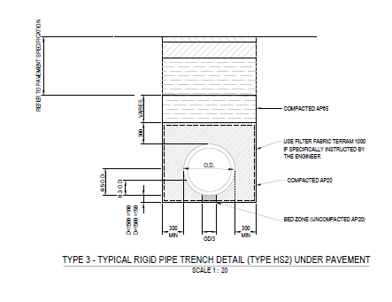 Pipe bedding shall be placed within a layer of geotextile fabric as indicated in the drawings. | Photos | Continous | Witness Point | W | SE
4.4 | Bedding for rigid pipe | Prior to laying pipe | Project Specification Cl 16.4.1 80510096-02B-900-C205 Rev1 | Bedding material shall be as shown on the drawings | Photos, As bults | Continous | Witness Point | W | SE
4.5 | Bedding for flexible pipe | Prior to laying pipe | Project Specification Cl 16.3.17 | Flexible pipe material shall be bedded as per below table | Photos, As bults | Continous | Witness Point | W | SE
4.6 | Laying pipes | During construction | Project Specification Cl 16.3.18 | All pipes shall be laid in accordance with the relevant standards, the manufacturer’s instructions and good trade practice. Pipe jointing shall be carried out such that the finished joints are watertight and present a smooth invert. For concrete pipes, the spigot and the inside of the socket of pipes shall be clean before jointing. Rubber rings for flexible joints shall be free of dust, grease or dirt. The rubber rings shall be mounted evenly on the extreme end of the spigot | Photos DN-QUA-QC-28 Stormwater Installation Checksheet | Continous | Witness Point | W | SE
4.7 | Tolerances | During construction | Project Specification Cl 16.3.42 | The permissible deviation from the designated level of the invert at each manhole shall be ± 25mm. The permissible deviation of the alignment and grade of each culvert and pipeline shall be ±20mm from the designated line and level, or from the line between pipe or culvert inverts at successive manholes or catchpits as applicable, when measured over any 6m length, with all such deviations being gradual. | As-built | Continous | Witness Point | W | SV
4.8 | Backfilling & compaction | During backfilling | Project Specification Cl 16.3.20 | Hardfill shall be compacted in layers not exceeding 150mm loose depth using approved mechanical compaction equipment. Selected fill and Ordinary fill unless specified otherwise, shall be compacted to at least 90% MDD at optimum moisture content. Pavement layers shall be compacted as per the pavement specification and corresponding ITP | Photos NDM Test Results DN-QUA-QC-09 | Continous | Witness Point | W | SE
4.9 | Inspection Testing | After laying pipe | Project Specification Cl 16.3.43 | Pipes smaller than 600mm diameter shall be hydrostatically tested and inspected by CCTV to identify any leaks or deficiencies in joints. Pipes larger than 600mm diameter shall be CCTV tested | Photos | Prior backfilling | Witness Point | W | SE
4.10 | As-built Survey | Upon completion of works | N/A | As built survey record completed | As-Built | After Works | Witness Point | W | SE

